Sheet1
Week Start | Bookings | forecast
2023-11-19 | 209.59439418 | 273.90714181
2023-11-26 | 166.4806447 | 162.3761068
2023-12-03 | 179.64217907 | 167.37165191
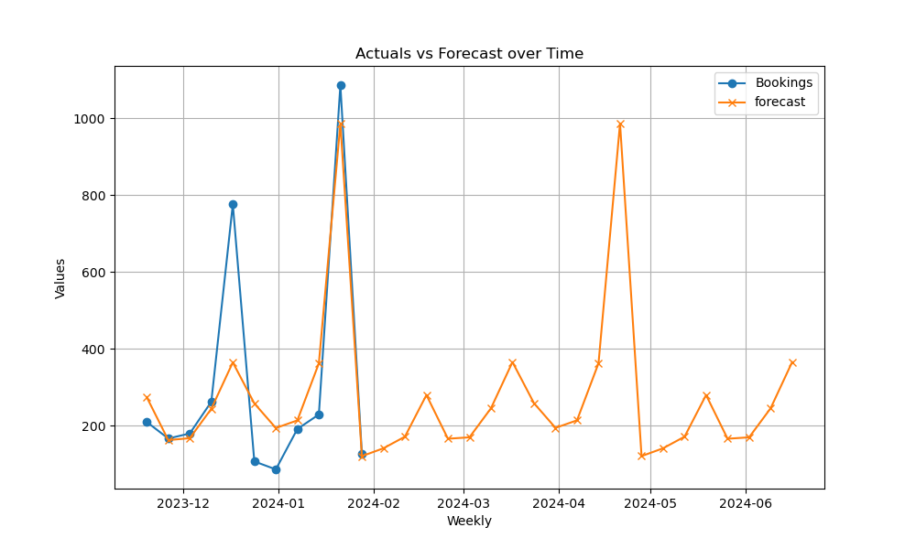
2023-12-10 | 262.15839345 | 243.78600776
2023-12-17 | 775.90353253 | 364.56207114
2023-12-24 | 106.90477241 | 257.89019862
2023-12-31 | 86.172819514 | 193.88644151
2024-01-07 | 191.24318942 | 213.61951983
2024-01-14 | 228.97960495 | 362.10504787
2024-01-21 | 1085.9177648 | 986.13570215
2024-01-28 | 126.71112028 | 120.68634234
2024-02-04 |  | 141.05086116
2024-02-11 |  | 171.32966791
2024-02-18 |  | 279.66110403
2024-02-25 |  | 165.96677841
2024-03-03 |  | 169.60313133
2024-03-10 |  | 245.1600916
2024-03-17 |  | 365.39182694
2024-03-24 |  | 258.40390028
2024-03-31 |  | 194.20264617
2024-04-07 |  | 213.80480737
2024-04-14 |  | 362.19106612
2024-04-21 |  | 986.09112094
2024-04-28 |  | 120.72243431
2024-05-05 |  | 141.06487878
2024-05-12 |  | 171.32764347
2024-05-19 |  | 279.63751354
2024-05-26 |  | 165.95315981
2024-06-02 |  | 169.58609799
2024-06-09 |  | 245.13145717
2024-06-16 |  | 365.34650928

